128
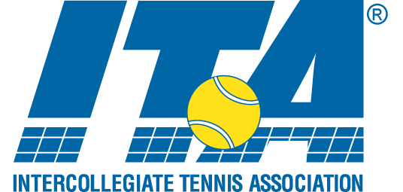
WALLACH INVITATIONAL "B" Singles
An Intercollegiate Tennis Association Sanctioned Event
Hosted by Bates College * October 9-10


1 | 1
 | 2
 | 3 | Oliver Loutsenko - Skidmore
 | 4
 | 5
 | 6
 | 7 | Kyle Desisto - Bates
 | 8 |  |  | SEEDS
 | 9 |  | 1 | Oliver Loutsenko - Skidmore
 | 10 |  | 2 | Max Willner - Vassar
 | 11 | Joe Albano - Colby | 3 | Max Gumport - Amherst
 | 12 |  | 4 | Jugal Marfatia - Trinity
 | 13
 | 14
 | 15 | Steven Milo - Brandeis
 | 16
 | 17
 | 18
 | 19 | Peter Yanofsky - Bates
 | 20
 | 21
 | 22
 | 23 | Dan Freeman - Vassar
 | 24
 | 25
 | 26
 | 27 | Will Rives - Amherst
 | 28
 | 29
 | 30
 | 31 | Jugal Marfatia - Trinity
 | 32
 | 33
 | 34
 | 35 | Max Gumport - Amherst
 | 36
 | 37
 | 38
 | 39 | Eric Ruta - Bates
 | 40
 | 41
 | 42
 | 43 | Kayong Lee - Trinity
 | 44
 | 45
 | 46
 | 47 | Michael Johnsen - Colby
 | 48
 | 49
 | 50
 | 51 | Ben Bogard - Bates
 | 52
 | 53 |  |  | SEEDS
 | 54
 | 55 | Ezra Bernstein - Brandeis
 | 56
 | 57
 | 58
 | 59 | Alex Fromson - Skidmore
 | 60
 | 61
 | 62
 | 63 | Max Willner - Vassar
 | 64

 | 65
 | 66
 | 67
 | 68
 | 69
 | 70
 | 71
 | 72 |  |  | SEEDS
 | 73
 | 74
 | 75
 | 76
 | 77
 | 78
 | 79
 | 80
 | 81
 | 82
 | 83
 | 84
 | 85
 | 86
 | 87
 | 88
 | 89
 | 90
 | 91
 | 92
 | 93
 | 94
 | 95
 | 96
 | 97
 | 98
 | 99
 | 100
 | 101
 | 102
 | 103
 | 104
 | 105
 | 106
 | 107
 | 108
 | 109
 | 110
 | 111
 | 112
 | 113
 | 114
 | 115
 | 116
 | 117
 | 118 |  |  | SEEDS
 | 119
 | 120
 | 121
 | 122
 | 123
 | 124
 | 125
 | 126
 | 127
 | 128

